1. Title Page
[Instacart Grocery Basket Analysis]

Project Name: Instacart Grocery Basket Analysis
Date: 05/23/23
Analyst Name: Ky Trac

Contents:
Population Flow
Consistency checks
Wrangling steps
Column derivations
Visualizations
Recommendations

2. Population Flow
Title page

Population flow

Exclusion flag
Condition: max_order < 5
Obervations to be removed: 1,440,295
Final total count of order_products_all: 30,964,564

Orders_products_combined
Orders_products_merged
Orders_products_all

Total: 32,404,859
Total: 32,434,489
Total: 32,404,859

1.) The grey boxes in the first row of the population flow represent the original data sets as they were when you downloaded them. In the Total fields you need to add the count of the rows when you imported the data set into Jupyter.
2.) The second row of boxes (coloured) represents the data sets after you manipulated them, e.g., removed missing values and duplicates. In the Total fields you need to add the count of the rows after conducting these operations. This offers a visual oveview of how the data flows throughout the data consistency checks.
3.) The third row, where also the arrows are coloured, represents the merges you performed between the datasets. In the Total fields you need to add the count of the rows in the merged datasets, so that you end up with the final dataset (in the red box). Keep in mind the final dataset should be without exclusions (based on the exclusion flag).

3. Consistency checks
 |  |  |  | Title page
Consistency checks

Dataset | Missing values | Missing values treatment | Duplicates
orders | 206209 missing values in 'days since prior order' | No change. These mark the first order 1 associated with value indicates a new customer | N/a
products | 16 in 'product_name' | Dropped from column | 5 duplicates dropped
orders_products_prior | No missing values | N/a | No Duplicates
customers | No missing values | N/a | No Duplicates

4. Wrangling steps
 |  |  |  | Title page
Wrangling steps

Columns dropped | Columns renamed | Columns' type changed | Comment/Reason
"eval_set" from orders.csv |  |  | Had only one value ("prior") indicating it was a prior data set released by Instacart.
 | "order_dow" from orders.csv |  | "dow" is not self-explanatory; changed column name to "orders_day_of_week"
 |  | "order_id" from orders.csv | changed to string to optimize calculations, like describe()
 |  | "user_id" from orders.csv | changed to string to optimize calculations, like describe()
"First Name" from customers.csv |  |  | Not needed in the analysis, and these would case PII issues.
"Surnam" from customers.csv |  |  | Not needed in the analysis, and these would case PII issues.
 | "Gender" from orders.csv |  | Changed to "gender" to keep the uniform lowercase convention used throughout this project
 | "STATE" from orders.csv |  | Changed to "state" for uniformity
 | "Age" from orders.csv |  | Changed to "age" for uniformity
 | "n_dependants" from orders.csv |  | Changed to "number_of_dependants" for clarity
 | "fam_status" from orders.csv |  | Changed to "family_status" for clarity

5. Column derivations
 |  |  |  |  | Title page

Column derivations and aggregations

In this tab you should add tables below that the frequences of flags/label variables that you produced after deriving them. NB: don't do this for continuous variables, only for flags.
Dataset | New column | Column/s it was derived from | Conditions | Frequencies
orders_products_merged.pkl | price_label | prices | price <= 5 : 'Low range product' | Low-range product 10126321
 |  |  | price > 5 & <= 15 : 'Mid range product' | Mid-range product 21860860
 |  |  | price > 15: 'High range product' | High-range product 417678
orders_products_merged.pkl | busiest day | orders_day_of_week | 0 = 'Busiest day' | Busiest day 6204182
 |  |  | 4 = 'Least busy' | Least busy 3783802
 |  |  | else: 'Regularly busy' | Regularly busy 22416875
orders_products_merged.pkl | busiest days | orders_day_of_week | 0 or 1 = 'Busiest days' | Busiest days 11864412
 |  |  | 4 or 3 = 'Slowest days ' | Slowest days 7624336
 |  |  | else: 'Regularly busy' | Regularly busy 12916111
orders_products_merged.pkl | busiest_period_of_day | order_hour_of_day | value = [0, 1, 2, 3, 4, 5, 6, 23] : 'Fewest orders' | Fewest orders 1289137
 |  |  | value = [ 9, 10, 11, 12, 13, 14, 15, 16]: 'Most orders' | Most orders 21118071
 |  |  | else: 'Average orders' | Average orders 9997651
orders_products_merged_aggregated.pkl | max_order | order_number | Dataframe grouped by 'user_id' and 'order_number' transformed into maximum of 'order_number'
orders_products_merged_aggregated.pkl | loyalty_flag | max_order | max_order > 40 : 'Loyal customer' | Loyal customer 10284093
 |  |  | max_order <= 40 & > 10 : 'Regular customer', | Regular customer 15876776
 |  |  | max_order < 10: 'New customer' | New customer 6243990
orders_products_merged_aggregated.pkl | ord_frequency_flag | median_order_freq | >20: 'Non-frequent customer' | Non-frequent customer 3636434
 |  |  | <= 20 & >10: 'Regular customer' | Regular customer 7208564
 |  |  | <=10: 'Frequent customer' | Frequent customer 21559853
orders_products_all.pkl | region | state | Midwest' | Midwest 7597325
 |  |  | Northeast' | Northeast 5722736
 |  |  | South' | South 10791885
 |  |  | West' (according to the general convention, see also https://en.wikipedia.org/wiki/List_of_regions_of_the_United_States) | West 8292913
orders_products_all.pkl | low_order_flag | max_order | max_order < 5: 'Low-activity customer' | Low-activity 1440295
 |  |  | max_order >= 5: 'High-activity customer' | High-activity 30964564
orders_products_final.pkl | age_profile | age | age <= 35: 'Young' | Young 9146419
 |  |  | age > 35 & <65: 'Middle-aged' | Middle-aged 14683356
 |  |  | age >=65: 'Senior' | Senior 8575084
orders_products_final.pkl | income_profile | income | income < 75000: 'Low income' | Low income 10442766
 |  |  | income >= 75000 & <125000: 'Mid income' | Mid income 13331136
 |  |  | income >= 125000: 'High income' | High income 8630957
orders_products_final.pkl | vegan_profile | department_id | If the customer has 0 orders from department_id=12 (meat) and 0 orders from department_id=16 (dairy): 'Vegan' | Vegan 383427
 |  |  | otherwise: 'Non-vegan' | Non-vegan 32021432
orders_products_final.pkl | family_profile | marital_status & number_of_dependants | (family_status = married) and (number_of_dependents == 1) : married, no children | Married no children 7550904
 |  |  | (family_status = married) and (number_of_dependents >= 2) : married with children | Married with children 15205849
 |  |  | (family_status in (single, divorced/widowed, living with parents and siblings)) and (number_of_dependents == 0) : single, no children | Single no children 8097503
 |  |  | (family_status in (single, divorced/widowed, living with parents and siblings)) and (number_of_dependents >= 1) : single with children/dependants | Single with children/dependants 1550603

6. Visualizations
 | Title page

Visualisations

In this tab you should include all the visualtions from Exercises 4.9 and 4.10, alongside the questions from the project brief that they answer. Include any commentary on the relationship between different variables.



Key Question:
What are the busiest days of the week?

Bar Chart of the number of orders by the day of the week.
The following bar chart illustrates that the busiest days fall on Saturday, followed by Sunday. Tuesday and Wednesday are the slowest days
0=Saturday 1=Sunday 2=Monday 3=Tuesday 4=Wednesday 5=Thursday 6=Friday
This histogram demonstrates the frequency of orders (y-axis) by hour of the day (x-axis). The hours of the day are numbered as standard military time.
The following histogram illustrates that orders are at their highest from 9 a.m. to 5 p.m. However, there is a steady decrease between midnight and 6 p.m.

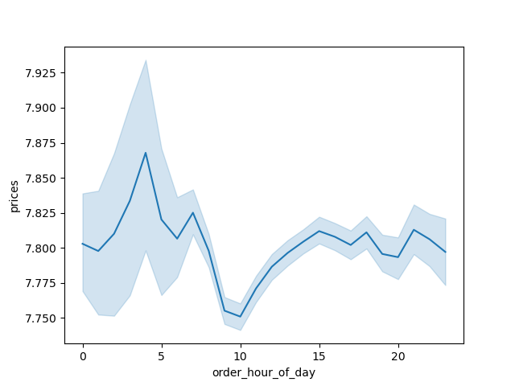
Key Question:
Are there particular times of the day when people spend the most money?

This line chart illustrates the average price of ordered item by the order hour of the day.
There is not much difference in the average price for different hours of the day. Note that there is a peak around 4 a.m. We can also see that there does seem to be a slight dip in expenditure from, roughly, 8 a.m. to 11 a.m.There is a 10% difference in price.

Key Question:
Are there certain types of products that are more popular than others?
Are there differences in ordering habits based on a customer's loyalty status?

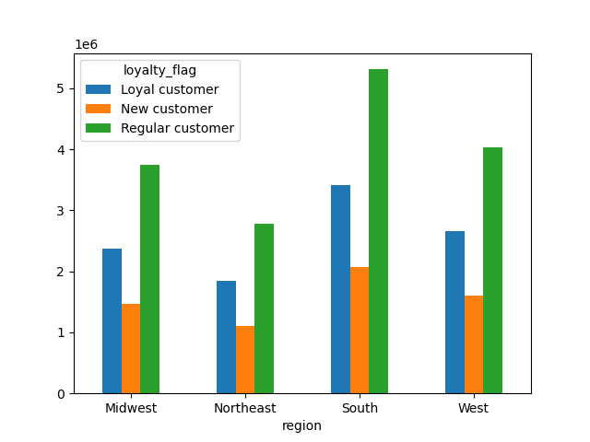
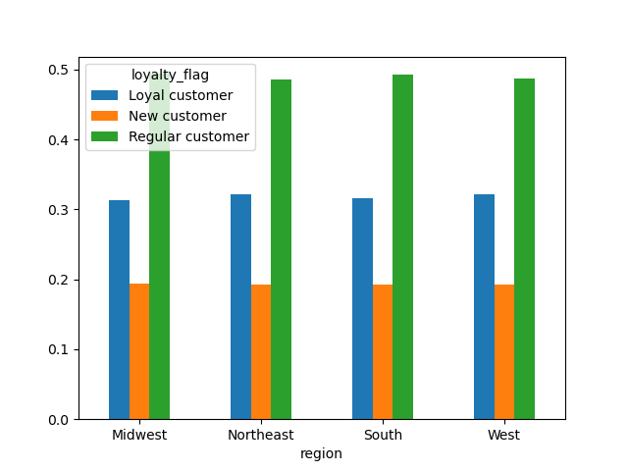

The graph on the right shows the loyalty status of customers as a percentage of customers living in that region. We can clearly see very little difference in the distribution of loyalty across regions.
For the following graph, if the structure of the distribution is the constant in each group, then we will assume that the variables in inquiry have little to do with one another.

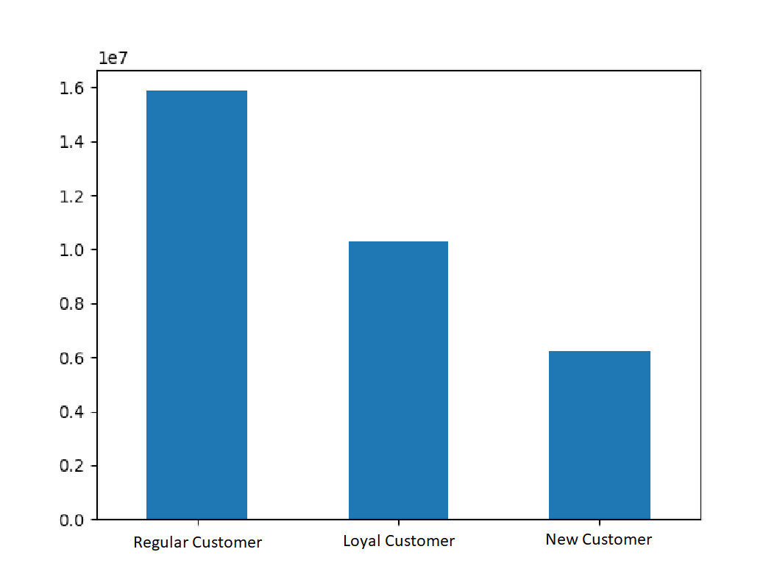
Key Question
What's the division among consumers in regards to brand loyalty?

This chart illustrates the number of customers who fall into one of the following three categories:
Loyal customers - over 40 orders Regular customers - between 10 and 40 orders New customers - 10 or fewer orders
We can see that Instacart customers are reasonably loyal, with nearly half of customers falling into the regular categories. Follow by loyal customers.

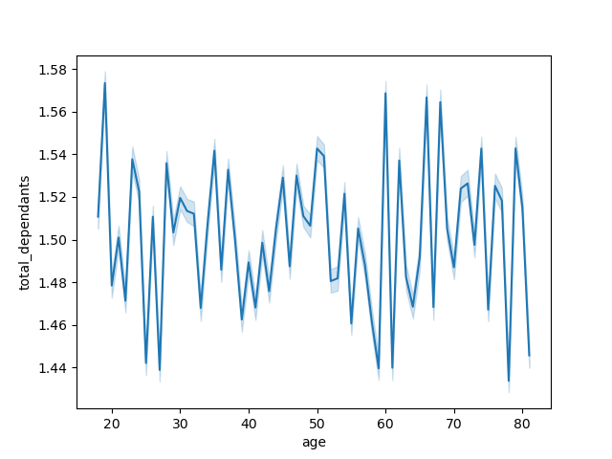
Key Question
Is there a connection between age and family status in terms of ordering habits?

This chart displays the age of Instacart customers and the subsequent number of dependents that they have. The number of dependents is uniform with respect to age. There is not much of a trend here at all. If grocery expenses will increase with number of dependents.

Key Question
What do the following variables suggest? Age, Income, Type of products, Family status.
What ae the different ordering habits among consumers?

There are few contrasts between customer behavior within their respective fields, noticeably in vegans. The following are the findings.
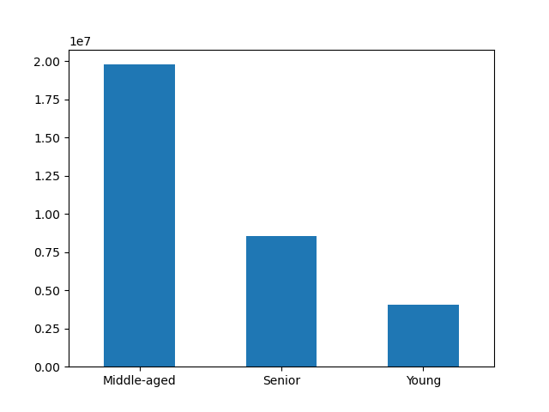
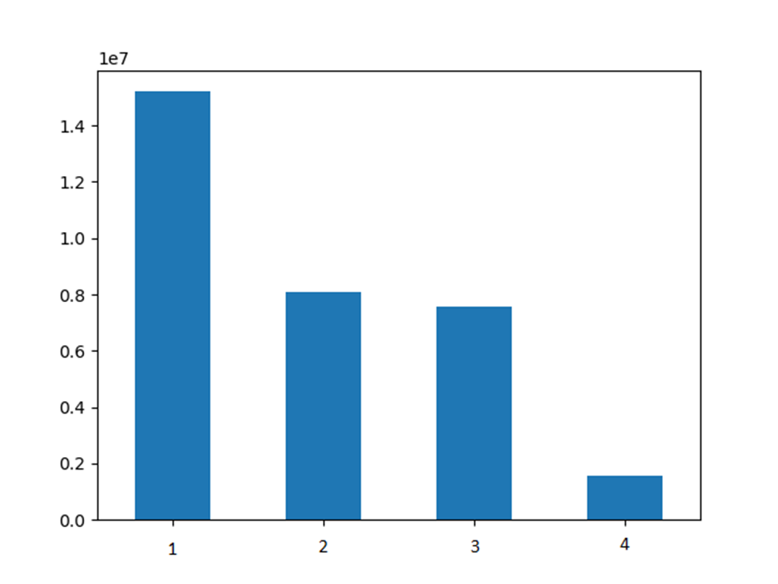

1 - Married with children 2 - Single no children 3 - Married no children 4 - Single with children

The follwoing shows the distribution of Middle-aged, Young, and Senior customers
The following graph shows the distribution of customers by family status.

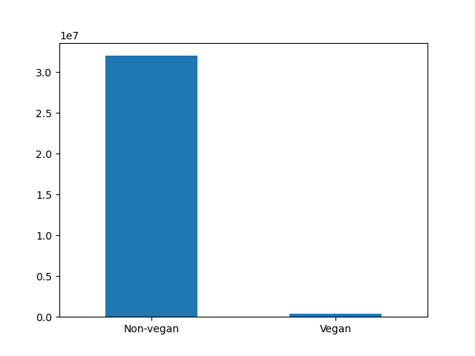
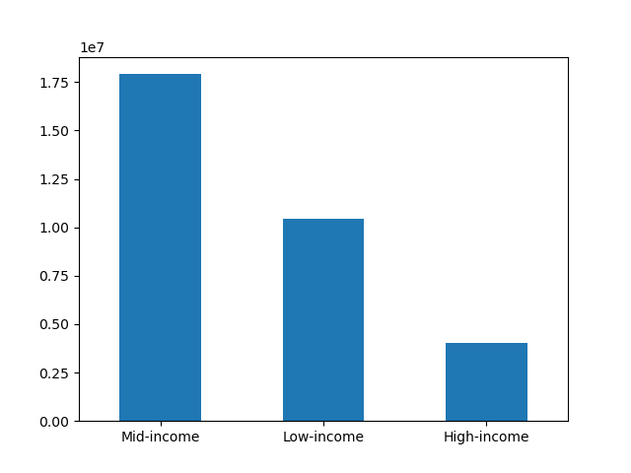

The following graph shows the distribution of customers by diet (vegan or non-vegan).
The following graph shows the distribution of customers by income.

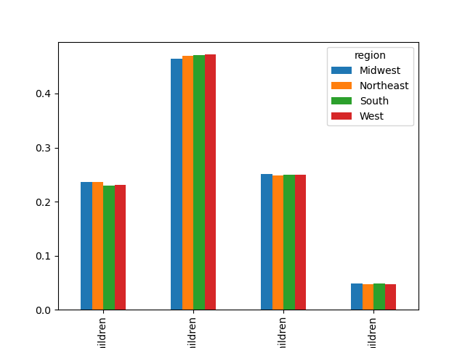
The graphs below illustrate the same customers in terms of regions. We can see that there is consistently with the data.
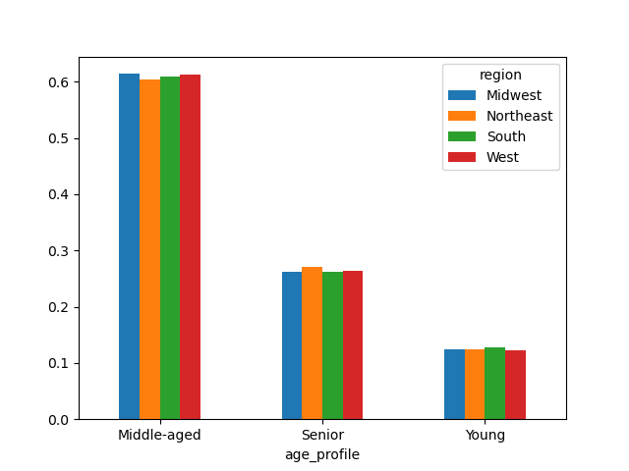

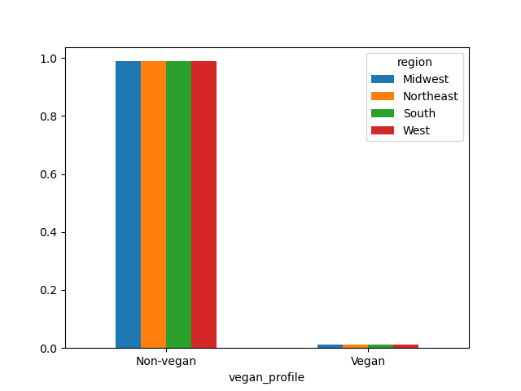
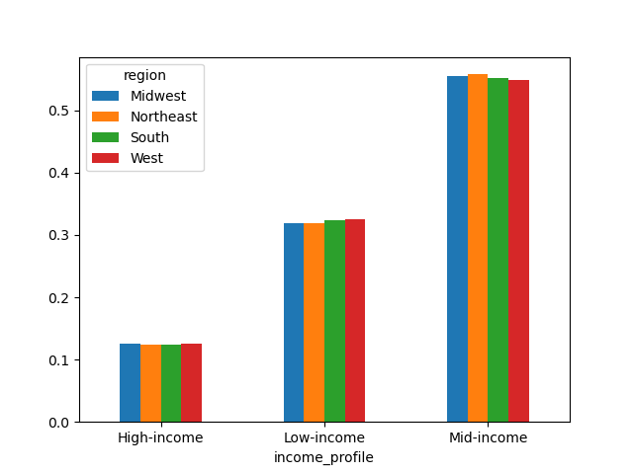

The graphs below illustrate the same customers in terms of products purchased.

Are there certain types of products that are more popular than others?

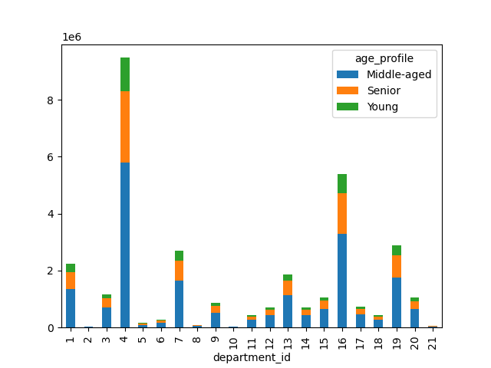
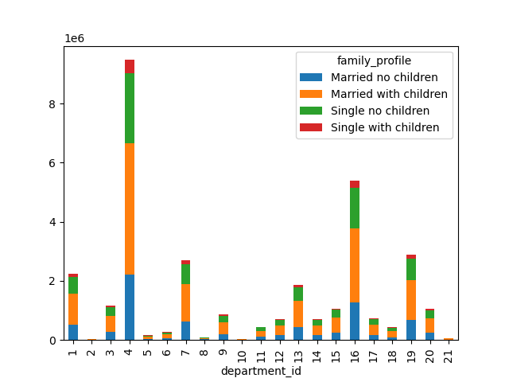

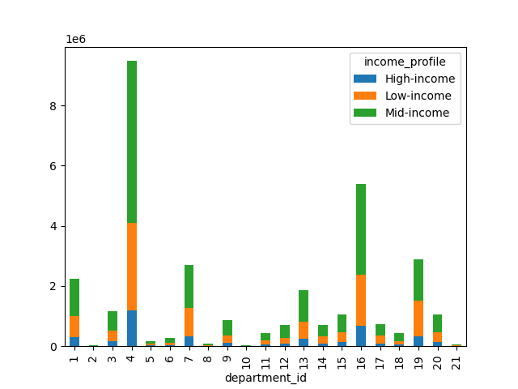
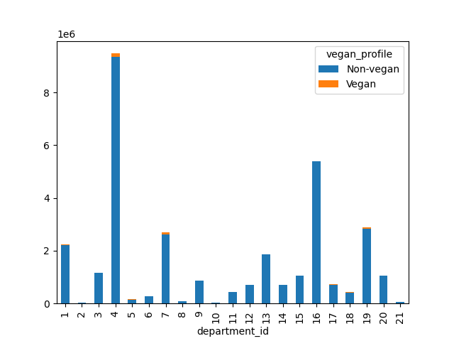

We can see that the following departments 4 and 16 Products and Milk/Eggs were the most popular, with 1, 7, 13 and 19 Frozen, Beverages, Food and Snacks, ranking second in terms of performance.
When we look at age, there is little difference in the prevalence of different parts. earnings, we find the following differences.
Middle-income customers buy more products than high- and low-income customers.
Low-income people buy more snacks than middle- and high-income customers.
There are few Alcohol purchases, however people with high income purchase alcohol more.
The biggest difference between departments is when comparing vegetarians and non-vegetarians.
Vegeterians purchase more drinks compare to non-vegetarians.

Is the age of Instacart customers linked to their income?



The following graph shows the age of Instacart customers and their corresponding annual income.
There is a sudden leap in income around age 40. After age 40, there is a constant income of between $200,000 and $300,000 than before age 40.

7. Recommendations
 | Title page

Recommendations

In this tab you should include any recommendations you would made to Instcart in terms of their marketing strategy based on the questions posed in the brief. Every key question has been covered in the Tasks of the Exercises - here you need to add an item - a visualisation or table/crosstable that is showing the answer in the data, acompanied by a comment from you. Please, list the questions below and add the answer underneath.

Question 1
The sales team needs to know what the busiest days of the week and hours of the day are (i.e., the days and times with the most orders) in order to schedule ads at times when there are fewer orders.

Recommendation
Instacart should create ads promotions on days with fewer orders. Furthermore, Instacart should add coupons when ordering at specific times to increase usage.

Bar Chart of the number of orders by the day of the week.
0=Saturday 1=Sunday 2=Monday 3=Tuesday 4=Wednesday 5=Thursday 6=Friday
This histogram demonstrates the frequency of orders (y-axis) by hour of the day (x-axis).

Question 2
They also want to know whether there are particular times of the day when people spend the most money, as this might inform the type of products they advertise at these times.

Recommendation
Instacart should strengthen high price products in the morning since peak hours is early mornings.

This line chart illustrates the average price of ordered item by the order hour of the day.

Question 3
Instacart has a lot of products with different price tags. Marketing and sales want to use simpler price range groupings to help direct their efforts.

Recommendation
I have grouped products into low- mid- and high-range products. Please see the "Column derivations" sheet (row 1) for more details.

Question 4
Are there certain types of products that are more popular than others? The marketing and sales teams want to know which departments have the highest frequency of product orders.

Recommendation
Instacart could either advertise already well-known products like eggs, dairy, etc. Or put more advertising effort into products that are not doing well. Probably more exploration of the customers' preferences would make sense.

Question 5
What’s the distribution among users in regards to their brand loyalty (i.e., how often do they return to Instacart)?

Recommendation
Instacart should create rewards or loyalty programs that can prompt development and advertising. This can strengthen sales and customer loyalty. Perhaps sending emails on certain days of the week would be helpful.

This chart illustrates the number of customers who fall into one of the following three categories:
Loyal customers - over 40 orders Regular customers - between 10 and 40 orders New customers - 10 or fewer orders

Question 6
Are there differences in ordering habits based on a customer’s loyalty status?

Recommendation
Instacart should explore tailoring special offers for loyal customers (advertized e.g. per email). This will encourage their new customers to be long-term customers.

Question 7
Are there differences in ordering habits based on a customer's region?

Recommendation
Instacart should consider factors other than geographical region to understand their customers' behavior.

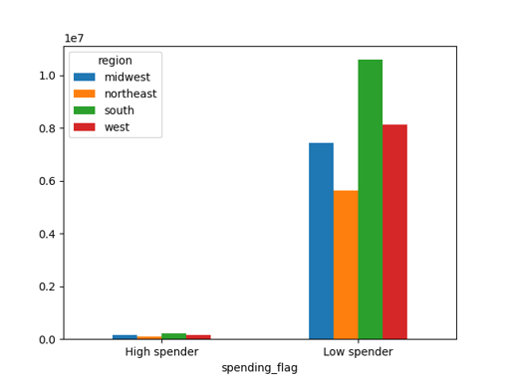

The region where a customer lives doesn't seem to affect the amount of money the customer spends on ordered products.

Question 8
Is there a connection between age and family status in terms of ordering habits?

Recommendation
Instacart should consider exploring the relationship between variables other than these in order to understand their customers' behavior.

Remarkably, age and family status do not seem to have a visible correlation. These categories alone appeared to more of an impact.

Question 8
What different classifications does the demographic information suggest? Age? Income? Certain types of goods? Family status?

Recommendation
After analyzing data for region, age, family and income, I found no significant difference. I only see topics about food preferences and pet ownership, although it's not a general issue. See also below for the difference between these groups.

Question 9
What differences can you find in ordering habits of different customer profiles?

Recommendation
I believe it would be valuable for Instacart to profile their customers and target advertisements to them based on their preferred diet.

The greatest differences in departments come when comparing vegans and non-vegans.

